Configuring WISER
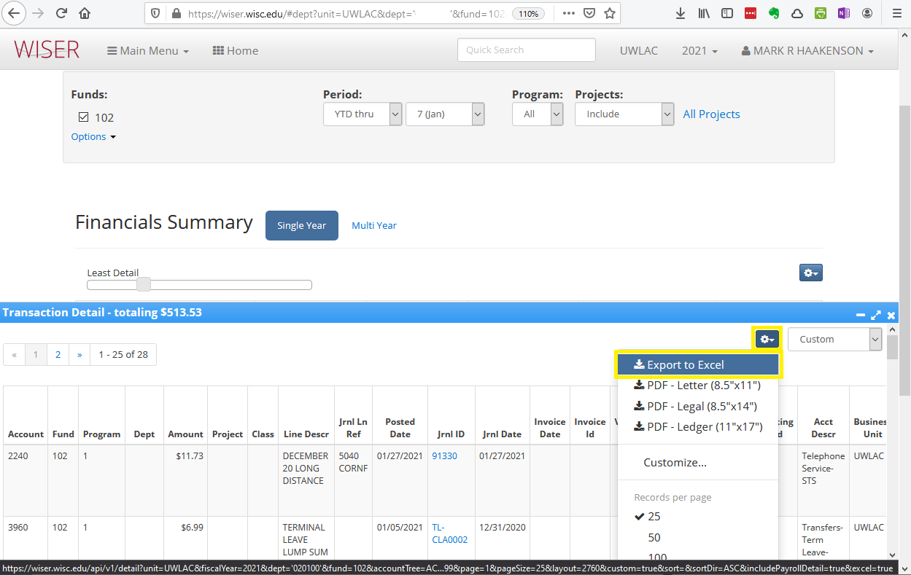
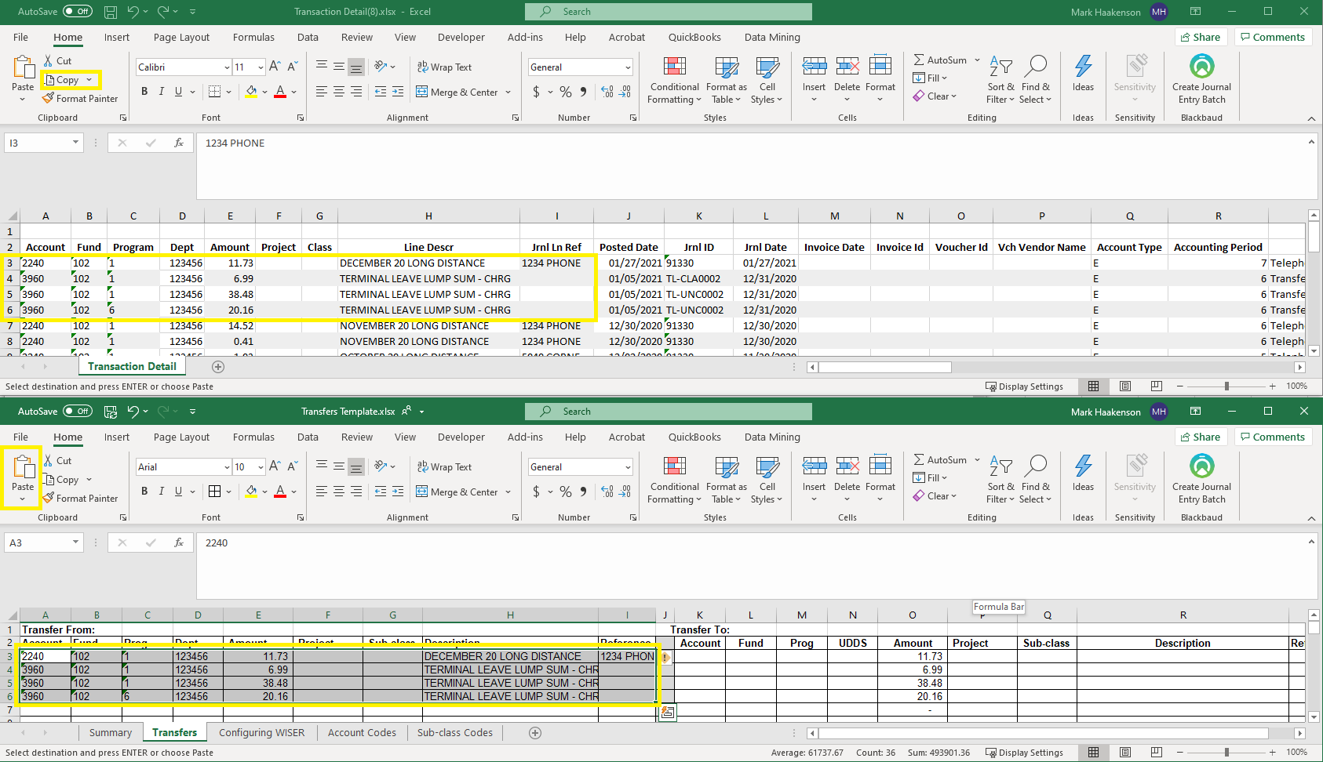
Configuring WISER View

To set your view in WISER to match the Transfer Template (this only needs to be done once):

1. Navigate to an account in WISER.
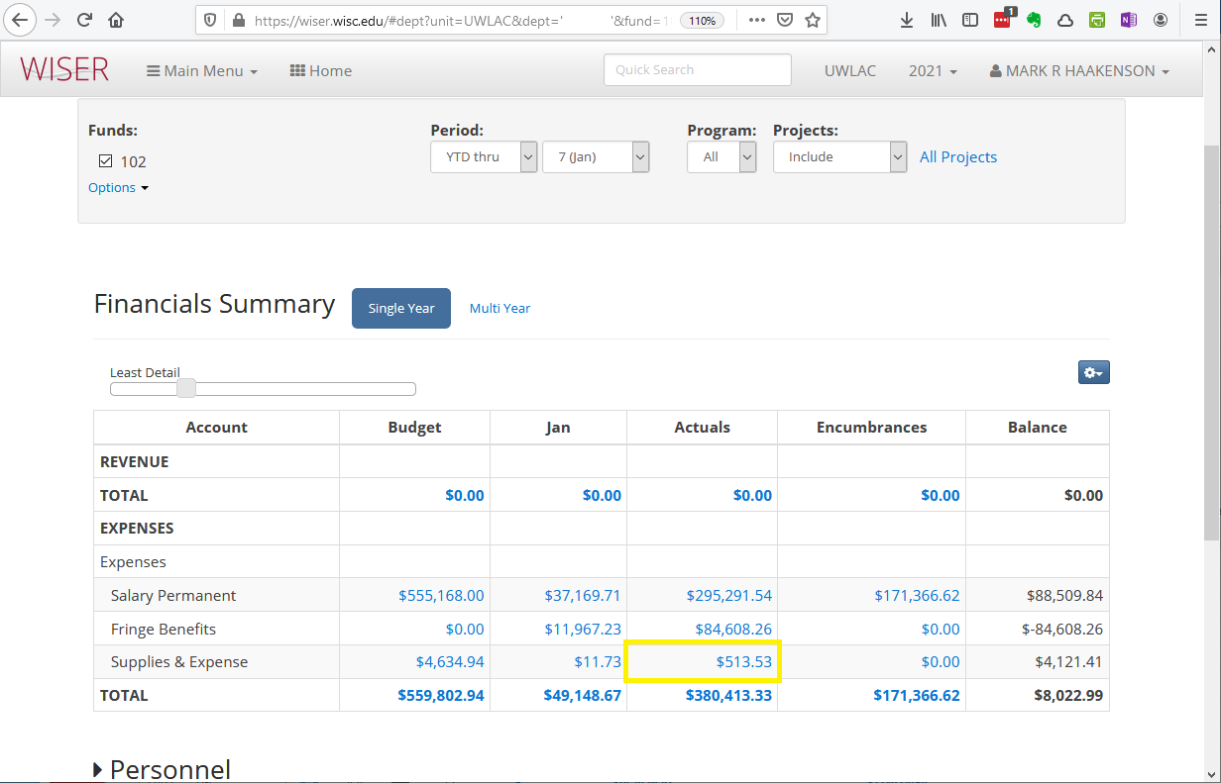
2. Click on an expense or revenue line:

2. When the list of expenses or revenue opens in the half-screen, select the gear icon in the middle right, then "Customize":
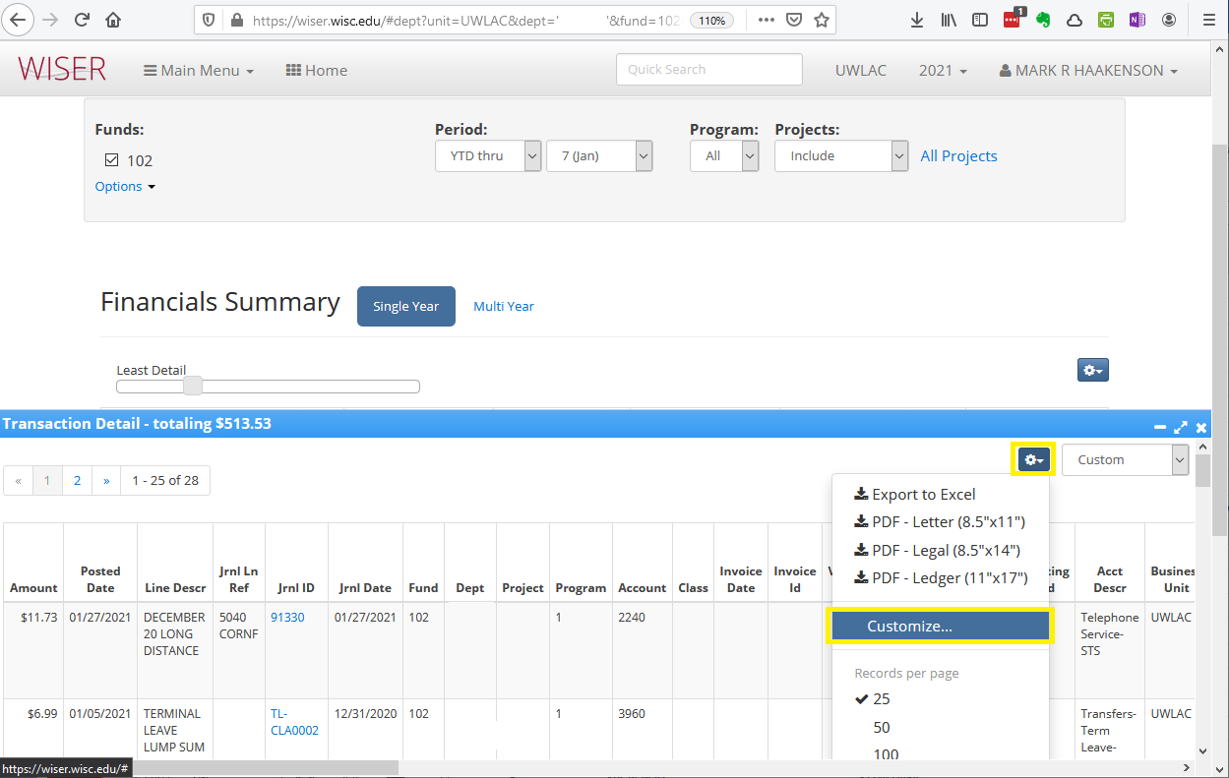

3. Use the left-right arrows to move columns into your custom view, and the up-down arrows to order them as shown here and click "Save" when done:

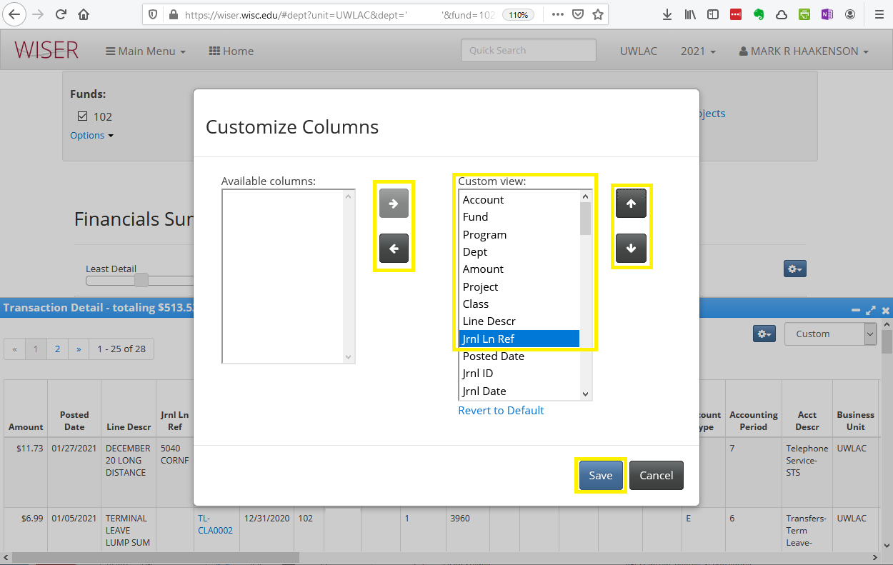

4. The columns should now be ordered in the same way as the transfer spreadsheet. Now you can navigate to the gear icon once more and click "Export to Excel" so rows can easily be copied and pasted into this file:

